Cover Page

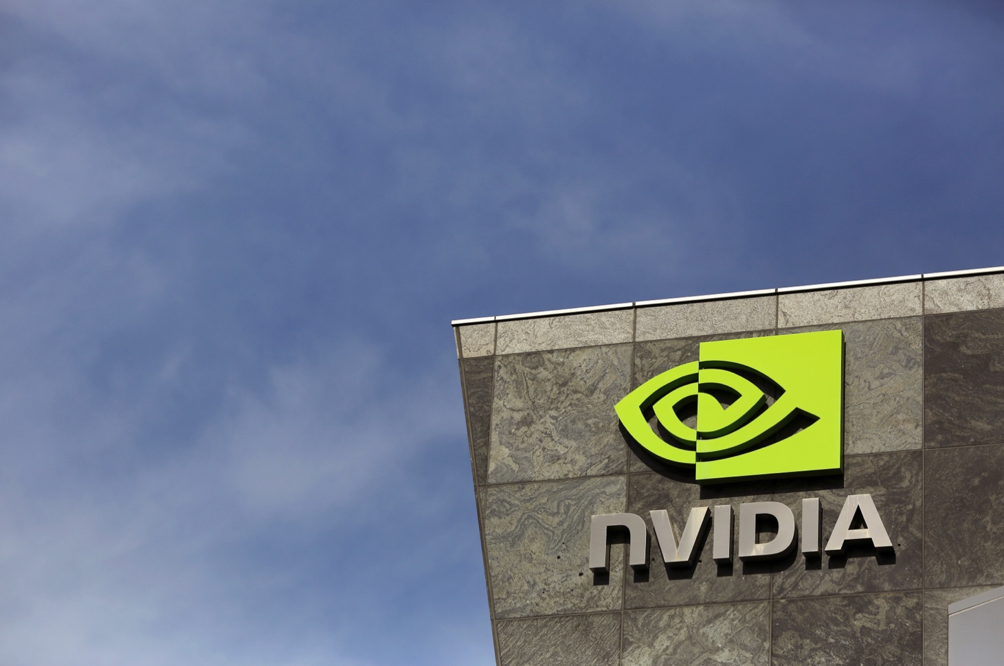
Group Project Deliverable: Target Company Excel File
BU.231.740.83.SP23 Mergers and Acquisitions
Ed Harding, Instructor
2023-04-27

Contents | Currency Exchange
 | Statement of income (Modified)
 | Valuation Conclusion
 | Market Approach
 | Income Approach
 | Financial Statement Ratios
 | WACC
 | Cost of Equity
 | Cost of Debt
 | Balance Sheets
 | Statements of Cash Flow
 | Statements of Income
 | Business Description
Group 3:
Member: | Chengyi Xu, Peng Liu, Zanglong Xuan

Data source: | ASML Official Website
 | NetAdvantage (CapitalIQ)

Notes:
 | Adopted Du-pont 5 step ROE Formula
 | Sources: | WallStreetPrep

Combination Financing
Input all data in YELLOW cells.
(U.S. dollar amounts in millions) |  | Valuation Date | 2023-12-31
 |  | Currency ratio | 0.95
General Data |  |  | Combination Analysis
First Year Combined | 2023
Purchaser Symbol | NVDA |  |  |  |  |  |  | Merger Analysis
Purchaser's Stock Price | $146.14 |  |  |  |  |  |  | NVDA Acquires ASML |  |  |  |  |  |  |  | With Synergies
Purchaser's Shares Outstanding (mm) | 2,507.0 |  |  |  |  |  |  | Assumed Premium Paid for ASML |  |  |  |  |  |  |  | Worst |  | Best
Dividends Per Share | $0.16 |  |  |  | ASML | NVDA |  | -16.42% |  | 0.00% |  | -17.75% |  | 5.14% |  | -14.54% |  | 21.62%
Purchaser IBES estimates: |  |  |  |  |  |  |  | CURRENT |  | ZERO PREMIUM |  | BREAKEVEN |  | BASE SYNERGY |  | WORST SYNERGY |  | BEST SYNERGY
2023 | $4.52 |  | Shares Outstanding (millions) |  | 398.0 | 2,507.0 |  | 3,397.6 |  | 3,572.5 |  | 3,383.4 |  | 3,627.2 |  | 3,417.5 |  | 3,802.8
2024 | $5.85 |  | Price (paid) per Share |  | $652.05 | $146.14 |  | $545.00 |  | $652.05 |  | $536.31 |  | $685.56 |  | $557.22 |  | $793.00
2025 | $8.03 |  | Market Capitalization (millions) |  | $259,515.9 | $366,373.0 |  | 216,909.41 |  | 259,515.90 |  | 213,450.48 |  | 272,853.33 |  | 221,774.86 |  | 3,015,640.38
 |  |  | P/E (2023 Earnings) |  | 30.5 | 25.0 |  | 25.5 |  | 30.5 |  | 25.1 |  | 32.1 |  | 26.1 |  | 37.1
 |  |  | Implied Exchange Ratio |  |  |  |  | 3.73 |  | 4.46 |  | 3.67 |  | 4.69 |  | 3.81 |  | 5.43
Purchaser L-T EPS Growth Rate | 37.26% |  | % Buyer Ownership |  |  |  |  | 74% |  | 70% |  | 74% |  | 69% |  | 73% |  | 66%

Target Data: |  |  | Pro Forma EPS (I/B/E/S) |  |  |  |  |  | A/(D) |  | A/(D) |  | A/(D) |  | A/(D) |  | A/(D) |  | A/(D)
Target Symbol | ASML |  | 2023 |  | $18.04 | $4.52 |  | $4.49 | -0.7% | $4.09 | -9.5% | $4.52 | 0.1% | $3.97 | -12.1% | $4.44 | -1.7% | $3.62 | -19.9%
Current Stock Price | $652.05 |  | 2024 |  | $21.36 | $5.85 |  | $5.86 | 0.2% | $5.39 | -7.8% | $5.90 | 0.8% | $5.26 | -10.1% | $5.80 | -0.8% | $4.85 | -17.2%
Current Shares Outstanding (mm) | 398.0 |  | 2025 |  | $22.63 | $8.03 |  | $7.62 | -5.1% | $7.07 | -12.0% | $7.66 | -4.6% | $6.90 | -14.0% | $7.55 | -6.0% | $6.42 | -20.1%
Current Market Cap (mm) | $259,516
Dividends Per Share | $6.76 |  | Pretax Synergies to Break-Even (in millions) |  |  |  |  |  | %Op Exp |  | %Op Exp |  | %Op Exp |  | %Op Exp |  | %Op Exp |  | %Op Exp
Expected LT Earnings Growth Rate | 5.95% |  | 2023 |  |  |  |  | $123.42 | 1% | $1,806.90 | 12% | n/a | n/a | $2,333.90 | 15% | $268.31 | 2% | $4,023.53 | 26%
Expected Dividend Growth Rate | 5.95% |  | 2024 |  |  |  |  | n/a | n/a | $1,918.43 | 12% | n/a | n/a | $2,531.11 | 16% | $157.03 | 1% | $4,495.45 | 29%
IBES EPS estimates: |  |  | 2025 |  |  |  |  | $1,649.88 | 11% | $4,055.71 | 26% | $1,454.57 | 9% | $4,808.83 | 31% | $1,924.62 | 12% | $7,223.45 | 46%
2023 | $18.04
2024 | $21.36 |  | Debt/Capitalization |  | 32.6% | 33.1% |  | 40.113% |  | 40.097% |  | 40.115% |  | 40.093% |  | 40.111% |  | 40.009%
2025 | $22.63 |  | Credit Rating |  | A | A- |  | BB+ |  | BB+ |  | BB+ |  | BB+ |  | BB+ |  | BB+

 |  |  | Assumptions (coming from Inputs Tab starting in A65):
 |  |  | Percent Debt Financing | 40.00%
 |  |  | Percent Existing Cash Fin. | 0.00%
Acquisition Data: |  |  | Percent Equity Financing | 60.00%
LTM Buyer Operating Expenses (mm) | 21,397
LTM Target Operating Expenses (mm) | 15,711
Percent Premium to be Paid | -16.42%
 |  |  | Synergies | $45,415.93
Annual Pre-Tax Expense Reduction | $45,415.93 |  | Book Adjustments to FMV | none made
 |  |  | Goodwill Amortized over | n/a
Tax Rate for New Company | 15.00%
Implied Price per Target Share | $545.00
Implied Total Price (mm) | $216,909.41

 |  |  | Detailed Data:

 |  |  | Percent Debt: | 40.00%
 |  |  | Interest Rate on Debt: | 4.42%
Deal Financing (Sources of Funds):
Amount of Target/Buyer cash used (mm) | $0.00 |  | New Debt Issued ($mm)
Percent of Balance Due with Debt | 40.00% |  | 2022 |  |  |  |  | $86,763.76 |  | $103,806.36 |  | $85,380.19 |  | $109,141.33 |  | $88,709.95 |  | $126,246.19
Percent of Bal Due with Existing Cash | 0.00% |  | 2023 |  |  |  |  | $86,763.76 |  | $103,806.36 |  | $85,380.19 |  | $109,141.33 |  | $88,709.95 |  | $126,246.19
Percent of Balance Due with Equity | 60.00% |  | 2024 |  |  |  |  | $86,763.76 |  | $103,806.36 |  | $85,380.19 |  | $109,141.33 |  | $88,709.95 |  | $126,246.19
Interest Rate on New Debt Issued | 4.42%

Equity | $130,145.65
Stock Exchange Ratio | 3.7293
Number of New Shares Issued | 891
 |  |  |  |  | $545.00
Face Amount of New Debt Issued | $86,763.76 |  |  |  | $652.05
Incremental Annual Interest Exps. | $3,834.96 |  |  |  | $536.31
 |  |  |  |  | $685.56
Interest Rate (PRE-TAX) on new debt | 4.42% | T-Bill |  |  | $557.22
 |  |  |  |  | $793.00

$ in mm below | D/C Analysis
 | Latest
Buyer Debt | $10,953.00
Target Debt | $4,260.40
New Issued Debt | 86,764
Total Combined Debt | 101,977

Buyer Equity | $22,101.00
New Equity | 130,146
Total Combined Equity | 152,247

Debt/Capitalization | 40.1%

current Buyer debt/capital | 33.1%

Target Equity -- Book Value | 8,811

NVDA DATA
Cash | ST Investments | Total Liquid Assets | Lowest Possible Price
3389 | 9907 | 13296 | 213,450.48
 |  |  |  |  |  |  |  | 40%
 |  |  |  |  |  |  | 0 | 6%
 |  |  |  |  |  |  | 10% | 15%
 |  |  |  |  |  |  | 20% | 23%
 |  |  |  |  |  |  | 30% | 32%
 |  |  |  |  |  |  | 40% | 40%
 |  |  |  |  |  |  | 50% | 49%
 |  |  |  |  |  |  | 60% | 57%
 |  |  |  |  |  |  | 70% | 66%
 |  |  |  |  |  |  | 80% | 74%
 |  |  |  |  |  |  | 90% | 83%
 |  |  |  |  |  |  | 100% | 91%

